Sheet1
Thrust vs. Chamber Radius
O/F Ratio vs. Chamber Temperature
 | Tc
0.8 | 1055.13
1 | 1094.90
1.2 | 1144.68
1.4 | 1241.10
1.6 | 1450.01
1.8 | 1669.01
2 | 1867.27
2.2 | 2046.56
2.4 | 2208.67
2.6 | 2354.78
2.8 | 2485.53
3 | 2601.00
3.2 | 2701.00
3.4 | 2785.16
3.6 | 2852.69
3.8 | 2904.12
4 | 2941.04
4.2 | 2965.85
4.4 | 2981.17
4.6 | 2989.33
4.8 | 2992.17
5 | 2991.04
5.2 | 2986.95
5.4 | 2980.63
5.6 | 2972.62
5.8 | 2963.31
6 | 2953.00
Chamber Pressure vs. Chamber Radius
Inputs: |  |  | Outputs:
Thrust (F) | 1000 | N | Exit Velocity | 1509.2 | m/s |  |  | Thrust | Rc | Rt | Re | Lc | ṁ | Pc | Rc | Rt | Re | Lc | O/F | Tc | Isp
Chamber Pressure (Pc) | 1500000 | Pa | Mass Flow Rate (ṁ) | 6.63E-01 | kg/s | 662.60270342 | g/s | 250 | 16.87 | 8.44 | 14.61 | 182.50 | 165.65 | 250000 | 67.50 | 33.75 | 58.45 | 205.01 | 0.8 | 1055.13 | 135.45
Contraction Ratio (Ac/At) | 6 |  | Area: |  |  |  |  | 500 | 23.86 | 11.93 | 20.67 | 185.61 | 331.30 | 500000 | 47.73 | 23.86 | 41.33 | 196.22 | 1 | 1094.90 | 139.95
Expansion Ratio (Ae/At) | 3 |  | Area of Throat (At) | 5.96E-04 | m^2 | 596.34 | mm^2 | 1000 | 33.75 | 16.87 | 29.23 | 190.00 | 662.60 | 1000000 | 33.75 | 16.87 | 29.23 | 190.00 | 1.2 | 1144.68 | 143.82
Ambient Pressure (P_0) |  | Pa | Area of Chamber (Ac) | 3.58E-03 | m^2 | 3578.05 | mm^2 | 2000 | 47.73 | 23.86 | 41.33 | 196.22 | 1325.21 | 2000000 | 23.86 | 11.93 | 20.67 | 185.61 | 1.4 | 1241.10 | 148.75
Characteristic Chamber Length (L*) | 0.7 | m | Area of Exit (Ae) | 1.79E-03 | m^3 | 1789.03 | mm^3 | 4000 | 67.50 | 33.75 | 58.45 | 205.01 | 2650.41 | 4000000 | 16.87 | 8.44 | 14.61 | 182.50 | 1.6 | 1450.01 | 156.39
Thrust vs. Chamber Length
Chamber Pressure vs. Chamber Length
Characteristic Exhaust Velocity (C*) | 1350 | m/s | Radius: |  |  |  |  |  |  |  |  |  |  |  |  |  |  |  | 1.8 | 1669.01 | 165.19
Gamma | 1.3 |  | Radius of Throat (Rt) | 1.38E-02 | m | 13.78 | mm |  |  |  |  |  |  |  |  |  |  |  | 2 | 1867.27 | 172.67
Chamber Temperature (R) | 1457 | K | Radius of Chamber (Rc) | 3.37E-02 | m | 33.75 | mm |  |  |  |  |  |  |  |  |  |  |  | 2.2 | 2046.56 | 178.32
Gas Constant (R) | 3.8 |  | Radius of Exit (Re) | 2.39E-02 | m | 23.86 | mm |  |  |  |  |  |  |  |  |  |  |  | 2.4 | 2208.67 | 182.93
Isp | 154 | s | Lengths: |  |  |  |  |  |  |  |  |  |  |  |  |  |  |  | 2.6 | 2354.78 | 186.78
g | 9.8 | m/s^2 | Cylindrical Chamber Length (Lcyl) | 9.56E-02 | m | 95.60 | mm |  |  |  |  |  |  |  |  |  |  |  | 2.8 | 2485.53 | 190.02
Contraction Angle (α) | 0.5235987756 | rad | Converging Chamber Length | 4.01E-02 | m | 40.13 | mm |  |  |  |  |  |  |  |  |  |  |  | 3 | 2601.00 | 192.76
Thrust vs. Throat Radius
Chamber Pressure vs. Throat Radius
Divergent Angle (α) | 0.2617993878 | rad | Chamber Length | 1.36E-01 | m | 135.73 | mm |  |  |  |  |  |  |  |  |  |  |  | 3.2 | 2701.00 | 195.02
O/F Ratio vs. Isp
 | Isp
0.8 | 135.45
1 | 139.95
1.2 | 143.82
1.4 | 148.75
1.6 | 156.39
1.8 | 165.19
2 | 172.67
2.2 | 178.32
2.4 | 182.93
2.6 | 186.78
2.8 | 190.02
3 | 192.76
3.2 | 195.02
3.4 | 196.83
3.6 | 198.23
3.8 | 199.21
4 | 199.76
4.2 | 199.79
4.4 | 199.25
4.6 | 198.09
4.8 | 196.65
5 | 195.51
5.2 | 194.64
5.4 | 193.88
5.6 | 193.16
5.8 | 192.46
6 | 191.75
 |  |  | Diverging Chamber Length (Le) | 7.73E-02 | m | 77.25 | mm |  |  |  |  |  |  |  |  |  |  |  | 3.4 | 2785.16 | 196.83
 |  |  | Volumes: |  |  |  |  |  |  |  |  |  |  |  |  |  |  |  | 3.6 | 2852.69 | 198.23
 |  |  | Cylindrical Chamber Volume | 3.42E-04 | m^3 | 342065.33 | mm^3 |  |  |  |  |  |  |  |  |  |  |  | 3.8 | 2904.12 | 199.21
 |  |  | Converging Chamber Volume | 7.54E-05 | m^3 | 75374.37 | mm^3 |  |  |  |  |  |  |  |  |  |  |  | 4 | 2941.04 | 199.76
 |  |  | Chamber Volume (Vc) | 4.17E-04 | m^3 | 417439.70 | mm^3 |  |  |  |  |  |  |  |  |  |  |  | 4.2 | 2965.85 | 199.79
Thrust vs. Mass Flow Rate
 |  |  |  |  |  |  |  |  |  |  |  |  |  |  |  |  |  |  | 4.4 | 2981.17 | 199.25
 |  |  |  |  |  |  |  |  |  |  |  |  |  |  |  |  |  |  | 4.6 | 2989.33 | 198.09
 |  |  |  |  |  |  |  |  |  |  |  |  |  |  |  |  |  |  | 4.8 | 2992.17 | 196.65
Injector Sizing |  |  |  |  |  |  |  |  |  |  |  |  |  |  |  |  |  |  | 5 | 2991.04 | 195.51
Inputs: |  |  | Outputs: |  |  |  |  |  |  |  |  |  |  |  |  |  |  |  | 5.2 | 2986.95 | 194.64
Fuel: |  |  | Fuel: |  |  |  |  |  |  |  |  |  |  |  |  |  |  |  | 5.4 | 2980.63 | 193.88
Mass Flow Rate | 0.13386 | kg/s | Total Orifice Area | 3.55E-06 | m^2 |  |  |  |  |  |  |  |  |  |  |  |  |  | 5.6 | 2972.62 | 193.16
Thrust vs. Exit Radius
Chamber Pressure vs. Exit Radius
Injection Pressure | 5.00E+06 | Pa | Individual Orifice Area | 1.7768010786E-06 | m^2 |  |  |  |  |  |  |  |  |  |  |  |  |  | 5.8 | 2963.31 | 192.46
Pressure Drop Across Injector | 2.50E+06 | Pa | Individual Orifice Diameter | 0.0015041073109 | m | 1.5041073109 | mm |  |  |  |  |  |  |  |  |  |  |  | 6 | 2953.00 | 191.75
Injection Temperature | 298 | K | Injection Velocity | 47.78 | m/s
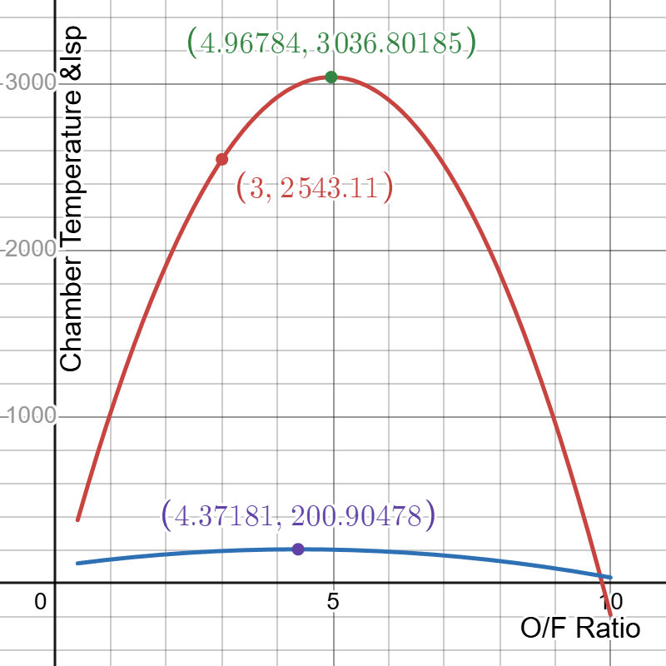
Injection Density | 788.3 | kg/m^3
Discharge Coefficient | 0.6
Number of Orifices | 2
Oxidizer: |  |  | Oxidizer:
Mass Flow Rate | 0.40159 | kg/s | Total Orifice Area | 7.04E-06 | m^2
Injection Pressure | 8.00E+06 | Pa | Individual Orifice Area | 7.04447078E-06 | m^2
Pressure Drop Across Injector | 6.00E+06 | Pa | Individual Orifice Diameter | 0.0029949088119 | m | 2.9949088119 | mm
Injection Temperature | 303 | K | Injection Velocity | 75.78
Injection Density | 752.29 | kg/m^3
Discharge Coefficient | 0.6
Number of Orifices | 1 |  | Momentum Ratio | 0.41666666667

THERMAL
Bartz Equation
Specific Heat of Gas at Const P | 2.14E+03 | J/Kg * K | Heat Flux | 2.92E+05 | W/m^2 | 0.29196134366 | MW/m^2
Diameter of Section | 6.26E-02 | m | Heat Flux 2nd Equation | 2.72E+05 | W/m^2 | 0.2722189788 | MW/m^2
Dynamic Viscosity | 8.41E-05 | Pa*s | Heat Load to Chamber Wall | 5.08E+04 | J
Prandtl Number | 5.34E-01 |  | Temp Change to Chamber Wall | 60.28 | °C
Chamber Pressure | 1.50E+06 | Pa
Throat Area | 5.13E-04 | m^2
Gamma | 1.22E+00
Gas Constant | 3.57E+03 | J/Kg*K
Chamber Temperature | 2.60E+03 | K
Surface Area of Chamber from Fusion 360 | 3.48E+04 | mm^2
 | 3.48E-02 | m^2
Burn Time | 5.00E+00 | s
Mach Number | 1.00E+00
Thickness of Chamber Wall | 1.00E-02 | m
Density of Chamber Wall Metal | 2.70E+03 | kg/m^3
Specific Heat Capacity of Metal | 8.97E+02 | J/kg*C
Volume of Chamber Wall | 3.48E-04 | m^3
Mass of Chamber Wall | 9.40E-01 | kg

